Costing a cocktail
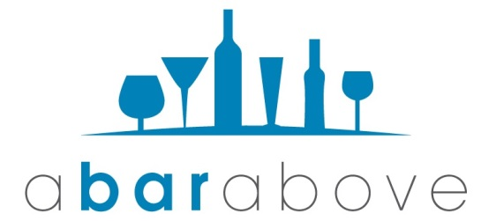

 | Cocktail Recipe |  |  |  | Costing
 | Ingredient | Amt Used | Ounces or Dashes? |  | Purchase size | oz or ml? | Purchase Price | Ingredient Cost
 | Vodka | 1 | Oz |  | 1,000 | ml | $150.00 | $4.44
 | Blue Curacao | 1 | Oz |  | 1,000 | ml | $550.00 | $16.27
 | Sprite | 4 | Oz |  | 2,000 | ml | $92.00 | $5.44

 | Citrus & Simple Syrup |  |  |  | Purchase Qty |  | Purchase Price
 | Lemon Juice | 0.75 | Ounces |  |  | Each
 | Simple Syrup | 0.75 | Ounces |  |  | lb
 |  |  | Ounces

 | Fill in all Appropriate WHITE fields. |  |  |  |  |  | Total Cost: | $26.14
 | Press "delete" to clear blue fields. |  |  | Target Cost of Goods Sold: | 20% |  | Resulting Menu Price: | $130.71
 | BLUE fields must be selected from drop-down list. |  |  | Target Menu Price: | $12 |  | Resulting COGS: | 218%

 | Link on instructions for this spreadsheet Below
 | https://www.youtube.com/watch?v=t3NQf3hXOX8

